GriErr1 register
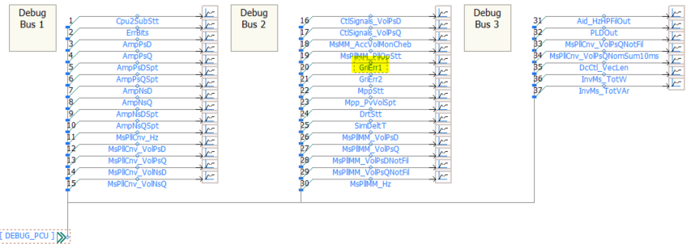
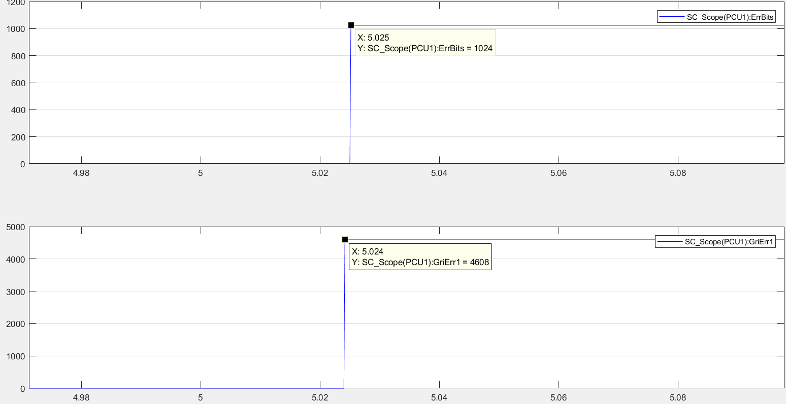
Typically any fault is shown in the "ErrBits" register. However in PSCAD many errors do not apply since things like missing feedback signals from breakers, over temperatures or precharge timeouts are not modelled.
The only fault you might find in "ErrBits" is the value 1024 which just is indicating that the unit tripped due to a Grid Protection Error.
Procedure:
If ErrBits = 1024 -> look into the GriErr1 register
Enter the value in GriErr1 into the yellow field above and it will indicate the exact reason.
Example:
GriErr1 = 4608
Result: Bit VCTL_LO3LIM (3rd undervoltage limit)
Additionally above information is provided in the PSCAD Runtime messages or in the Log file in case "Enable file logging" is set to 1.
Time: 5.025 : !! Inverter fault !!
!! Grid Err.: !! VCtl.Lo3Lim !!
31 | 30 | 29 | 28 | 27 | 26 | 25 | 24 | 23 | 22 | 21 | 20 | 19 | 18 | 17 | 16 | 15 | 14 | 13 | 12 | 11 | 10 | 9 | 8 | 7 | 6 | 5 | 4 | 3 | 2 | 1 | 0 |  | Decimal value
0 | 0 | 0 | 0 | 0 | 0 | 0 | 0 | 0 | 0 | 0 | 0 | 0 | 0 | 0 | 0 | 0 | 0 | 0 | 0 | 0 | 0 | 0 | 0 | 0 | 0 | 0 | 0 | 0 | 0 | 0 | 0 | Input: | 0
MG_BIT_INACTIVE | MG_BIT_HZCTL_PRC2401 | MG_BIT_HZCTL_DIFMAX | MG_BIT_HZCTL_LO6LIM | MG_BIT_HZCTL_LO5LIM | MG_BIT_HZCTL_LO4LIM | MG_BIT_HZCTL_LO3LIM | MG_BIT_HZCTL_LO2LIM | MG_BIT_HZCTL_LO1LIM | MG_BIT_HZCTL_HI6LIM | MG_BIT_HZCTL_HI5LIM | MG_BIT_HZCTL_HI4LIM | MG_BIT_HZCTL_HI3LIM | MG_BIT_HZCTL_HI2LIM | MG_BIT_HZCTL_HI1LIM | MG_BIT_HZCTL_OPMINNOM | MG_BIT_HZCTL_OPMAXNOM | MG_BIT_VCTL_PKLIM | MG_BIT_VCTL_RES | MG_BIT_VCTL_MMSTT | MG_BIT_VCTL_LO5LIM | MG_BIT_VCTL_LO4LIM | MG_BIT_VCTL_LO3LIM | MG_BIT_VCTL_LO2LIM | MG_BIT_VCTL_LO1LIM | MG_BIT_VCTL_HI5LIM | MG_BIT_VCTL_HI4LIM | MG_BIT_VCTL_HI3LIM | MG_BIT_VCTL_HI2LIM | MG_BIT_VCTL_HI1LIM | MG_BIT_VCTL_OPMINNOM | MG_BIT_VCTL_OPMAXNOM

